Dashboard
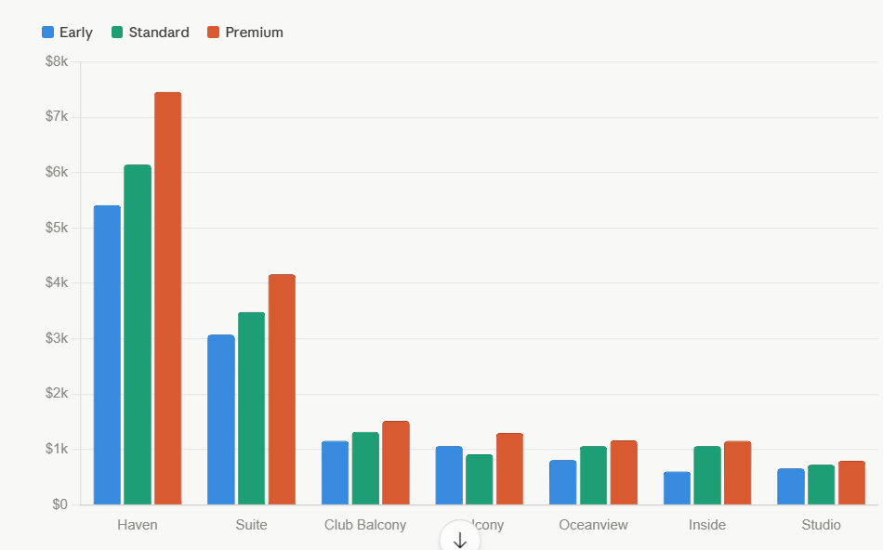
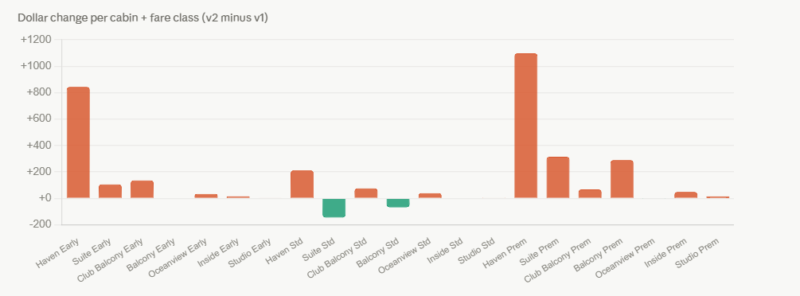
Cabin Factor 100%
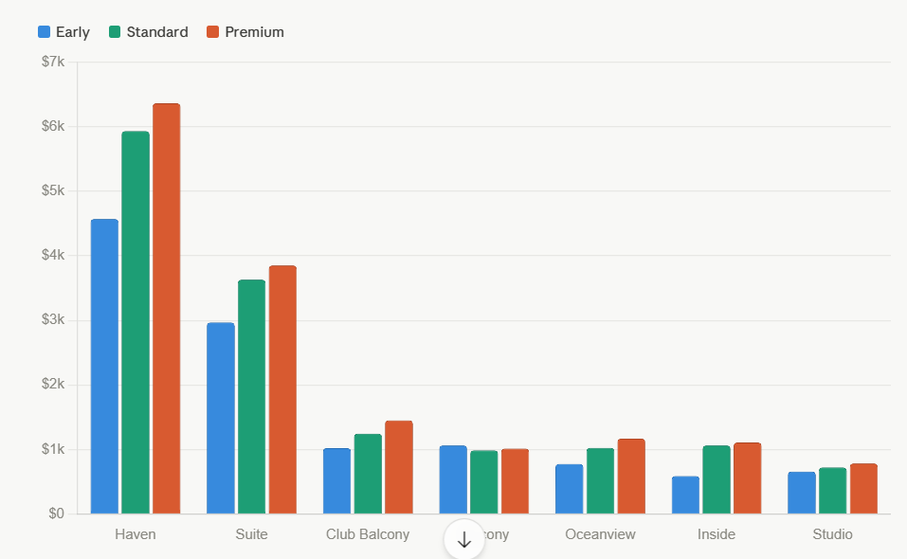

 |  | Change Dashboard

 | Cabin Factor 90%

